PClass distribution
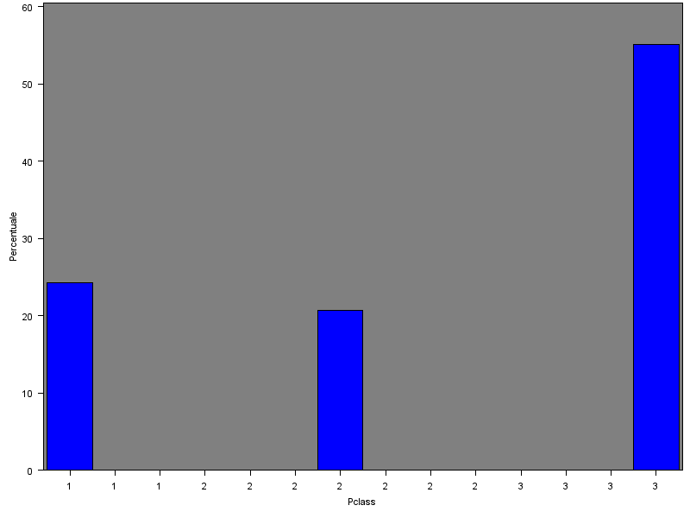
Distribution passengers per Pclass

Age distribution
Age distribution | ALL Pclass
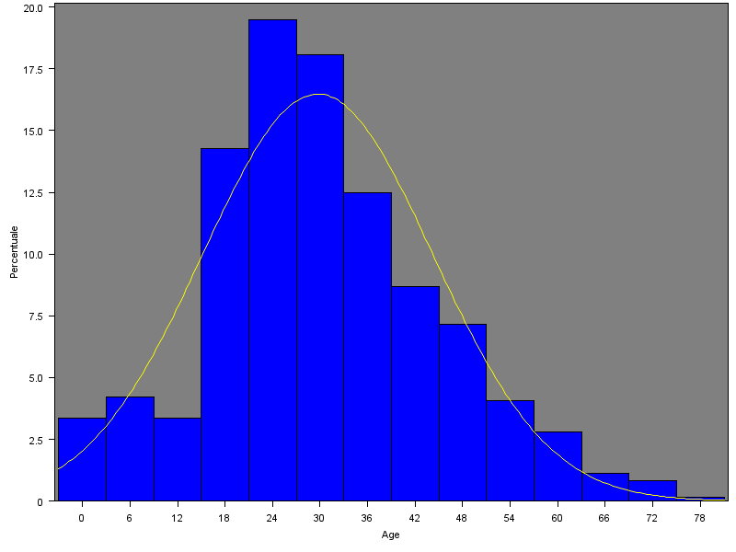
 |  | Missing values | 177 | 19.9% | out of | 891 | observations

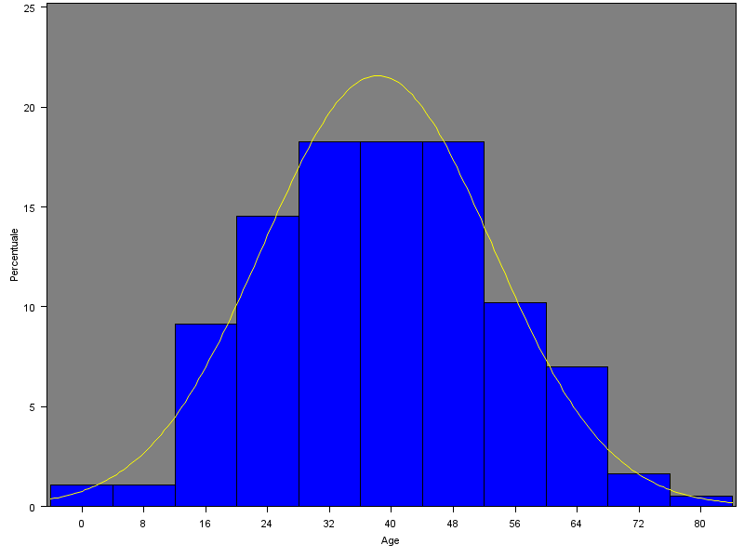
Age distribution | Pclass=1
 |  | Missing values | 30 | 13.9% | out of | 216 | observations

 |  | missing values age choice: 36 (This Mode value is closer to Media and Median)

Age distribution | Pclass=2
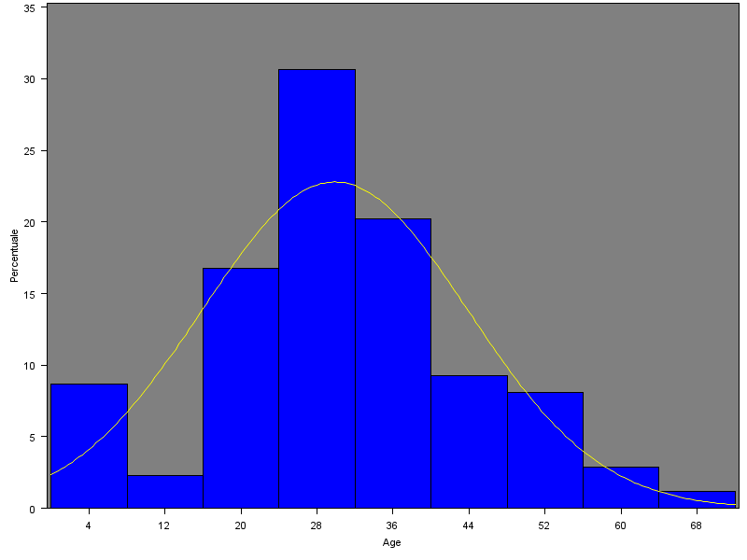
 |  | Missing values | 11 | 6.0% | out of | 184 | observations

 |  | missing values age choice: 29 (Median is equidistant from the two Mode values)

Age distribution | Pclass=3
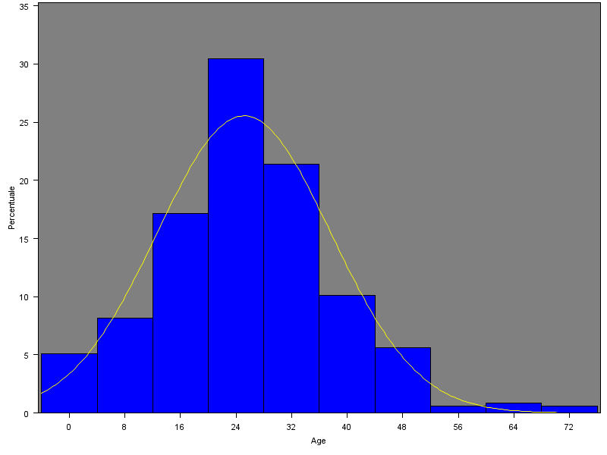
 |  | Missing values | 136 | 27.7% | out of | 491 | observations

 |  | missing values age choice: 22

